Assumptions and Calculation
Operational Report - Information: Context and Additional Assumptions: describe the context in which your reports will be created, maintained, and used, and any additional assumptions you need to develop the operational and the executive reports.

Additional Assumptions on Operational and Executive Report

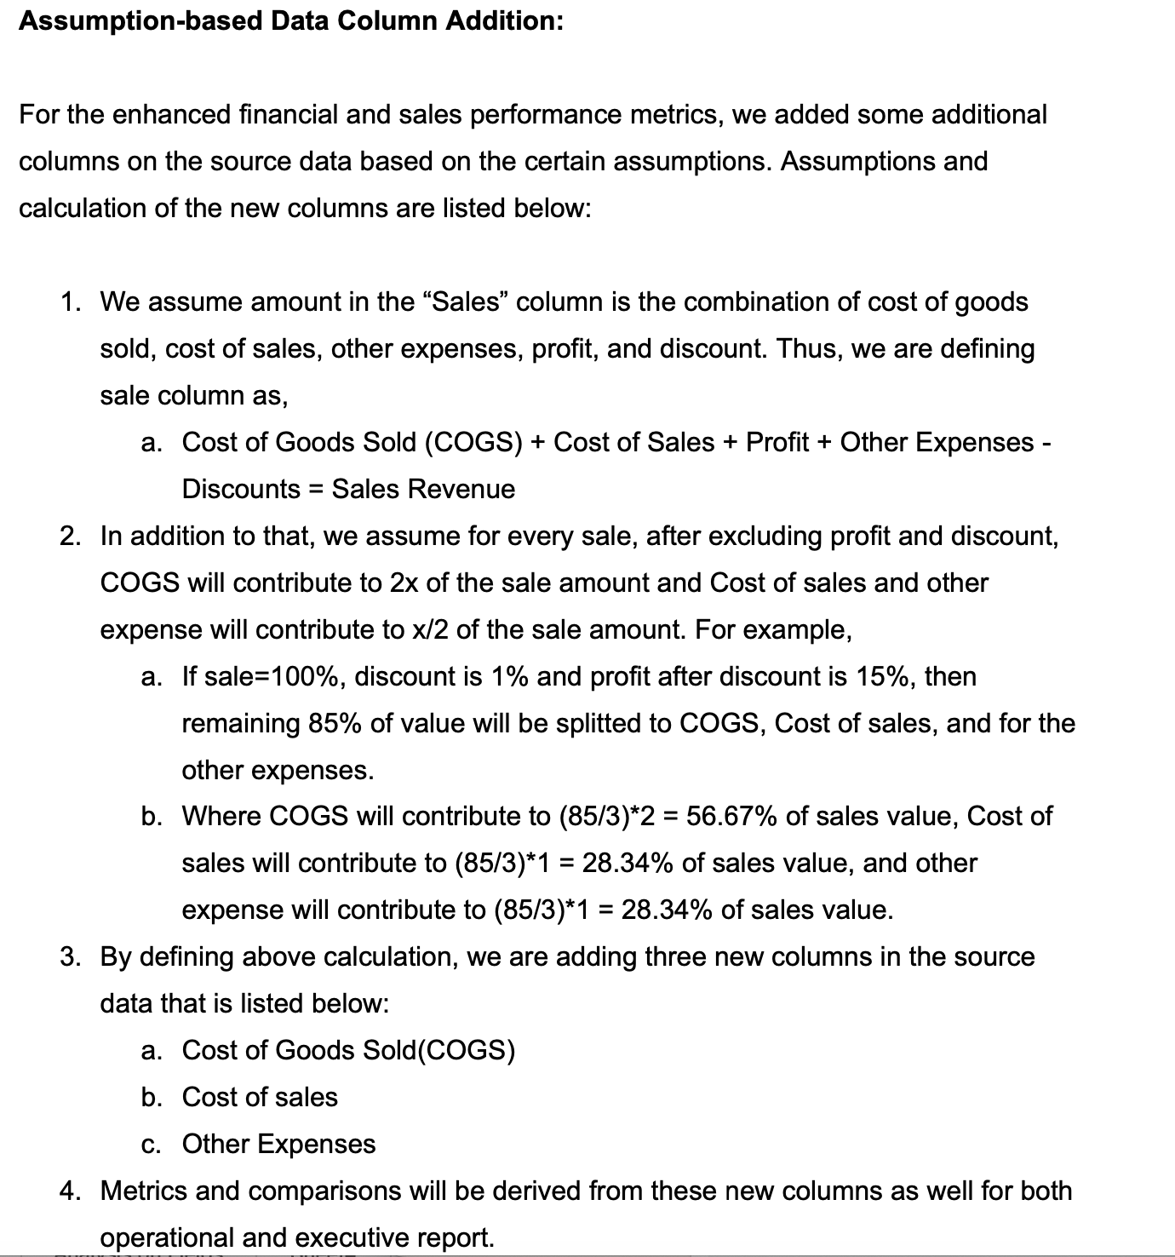

Metrics Used in the Operational and Executive Report


Operational and Executive Data Management

1. In charge with Business Requirements and Data Needs
a. Overseeing business requirements and data needs is a crucial role within organization.
b. Responsibilities
i. Understanding Business Goals
ii. Quality Assessment of Data
iii. Analyzing Requirements
iv. Converting Business Requirement into Data Needs
v. Collecting Data
2. In charge with Data Quality Guidelines
a. Ensuring that data is collected, stored and used within an organization that will be accurate , complete and consistent
b. Responsibilities
i. Defining the Quality standards
ii. Data Governance
iii. Data Profiling
iv. Cleaning of Data
3. Data Ownership
a. Is an essential aspect in data governance
b. Responsible in controlling, managing and making decisions how data is collected and stored
c. Key aspects of data ownership
i. Legal rights
ii. Data Management
iii. Data Privacy
iv. Data Sharing
4. In charge with Metadata Management
a. Involves the organization and management of metadata
b. Mainly responsible for ensuring that data is well-documented
c. Key aspects of metadata management
i. Metadata includes technical metadata and business metadata
ii. Requires collaboration with data stewards, data owners, and data users
iii. Metadata management supports data discovery, data lineage tracking and compliance efforts.
2. In charge with Data Access Management
a. involves controlling and managing who has access to specific data resources
b. Responsibilities
i. ensuring data security, compliance with regulations and proper utilization of data
ii. collaborating closely with IT security teams to implement robust data access controls
iii. balancing the need for data access with data security and privacy requirements
3. In charge of technical aspects of data storage, integration and administration
a. Focuses on the technical infrastructure and processes for storing, integrating, and administering data
b. Key aspects of data storage, integration and administration
i. encompasses database management, data warehousing, ETL (Extract, Transform, Load) processes and cloud storage solutions
ii. ensures data scalability
iii. includes data backup and recovery procedures, data archiving and disaster recovery planning

Operational - Information
Operational Report - Information: Target Audience: use assumptions to define your target audience for both, the operational and executive reports. Explain the intended use of each report (i.e.: monitor and control, decision- making, performance improvement, research analysis), and what would be achievable by using these reports. Operational and Executive Reports: define and document the information each report will display (i.e.: sales, geography, customers, revenue, custom KPIs, etc.). If required, you may incorporate additional data including ad’ hoc calculations (formulas/algorithms). Document and explain each formula, KPIs and ratios that you will use in the reports. Produce a document with this information

Report type: | Operational Report
Report name: | Performance Report By Region
Frequency of the report | Every Month
Target Audience: | Divisional Manager, Area Manager, Director of Operations
Intended Use | Below are the intended use

SIMPLE REPORT
Revenue Insights:
Sales reports will provide an overview of revenue generated over a month. Analyzing sales trends will help identify peak seasons, sales cycles, and areas for revenue growth.
Product Performance:
By breaking down sales by product category, Target Audience can identify the top-performing and underperforming categories. This information will help in making informed decisions about product development and marketing strategies.
Market and Customer Analysis:
Sales Reports can highlight regions or customer segments which contribute significantly to the revenue. Understanding where sales are strong or weak can guide marketing and sales efforts.
Sales Team Performance:
Sales Report can help assess the effectiveness and guide sales training and incentive programs.
FINANCIAL REPORT
Financial Performance, Profitability, and Operational Efficiency
Finacial Report is used to evaluate the efficiency of production processes, pricing strategies, and changes in the cost of goods sold. It can help identify areas where cost reduction or pricing adjustments may be needed.
Financial Report will help assess the impact of operating expenses, taxes, and interest on the bottom line. Changes in the Net Margin Ratio can indicate the effectiveness of cost management and growth strategies.

SALES REPORT
Provide Insights into a company's sales performance and efficiency
Sales Report will be used to monitor how efficiently the company's assets, such as inventory, equipment, and working capital, contribute to sales revenue. It can highlight the need for improved inventory management, more effective sales strategies, or better capital allocation.
RETURNS REPORT
Evaluation and Management of the Shipping Processes
Returns Report will help measures the total time taken from the moment a customer places an order to the point when the order is shipped and ready for delivery.
Returns Report will also help measure the average time taken to process a customer order, excluding the time required for shipping and delivery.

SHIPPING REPORT
Evaluation and Management of the Shipping Processes
Shipping Report is to help assess the speed and efficiency of the order fulfillment process. It helps in monitoring how quickly customer orders are processed and shipped after they are received.

Executive - Information
Executive Report - Information: Target Audience: use assumptions to define your target audience for both, the operational and executive reports. Explain the intended use of each report (i.e.: monitor and control, decision- making, performance improvement, research analysis), and what would be achievable by using these reports. Operational and Executive Reports: define and document the information each report will display (i.e.: sales, geography, customers, revenue, custom KPIs, etc.). If required, you may incorporate additional data including ad’ hoc calculations (formulas/algorithms). Document and explain each formula, KPIs and ratios that you will use in the reports. Produce a document with this information

Report type: | Executive Report
Report name: | Performance Report per Quarter
Frequency of the report | Every Quarter (or every 3 months)
Target Audience: | Chief Executive Officer (CEO) and Chief OPerating Officer (COO)
Intended Use | Below are the intended use

FINANCIAL REPORT
Financial Performance
Financial Report will help to measure the profitability of a company's core business operations, excluding operating expenses and taxes. It will help identify how efficient a company is generating profit from its production or sale of goods.
Financial Report will also help assess the overall profitability of a company, taking into account all operating expenses, interest expenses, taxes, and other costs.

SALES REPORT
Evaluation and Management of Sales Team
Sales Report will help measure how effective the sales team in utilizing its resources and efforts to generate revenue. It will help assess the efficiency of the sales process.
Financial Report will also help assess the rate at which sales revenue is increasing. It will help in tracking sales performance trends and setting growth targets.

RETURNS REPORT
Evaluation and Management of Return Process
Returns Report will help assess the frequency and magnitude of returns, by identifying trends and issues related to product quality, customer satisfaction, and operational efficiency.
Returns Report will also help understand the cost and revenue implications of returns, helping in decision-making related to restocking, refurbishing, or disposal of returned products.

SHIPPING REPORT
Evaluation and Management of the Shipping Processes
Shipping Report is to help assess the speed and efficiency of the order fulfillment process. It helps in monitoring how quickly customer orders are processed and shipped after they are received.
Shipping Repprt is to help evaluate the efficiency of the internal processes involved in order handling, including order verification, picking, packing, and quality checks.

